Model description
Encoder-1 (CNN 47MFLOPs) |  | Encoder-2 (Transformer 3.63MFLOPs) |  | Encoder-3 (CNN 4.14MFLPOs) |  | Encoder-4 (MLP 0.22MFLOPs) |  |  | Decoder (CNN 740MFLOPs)
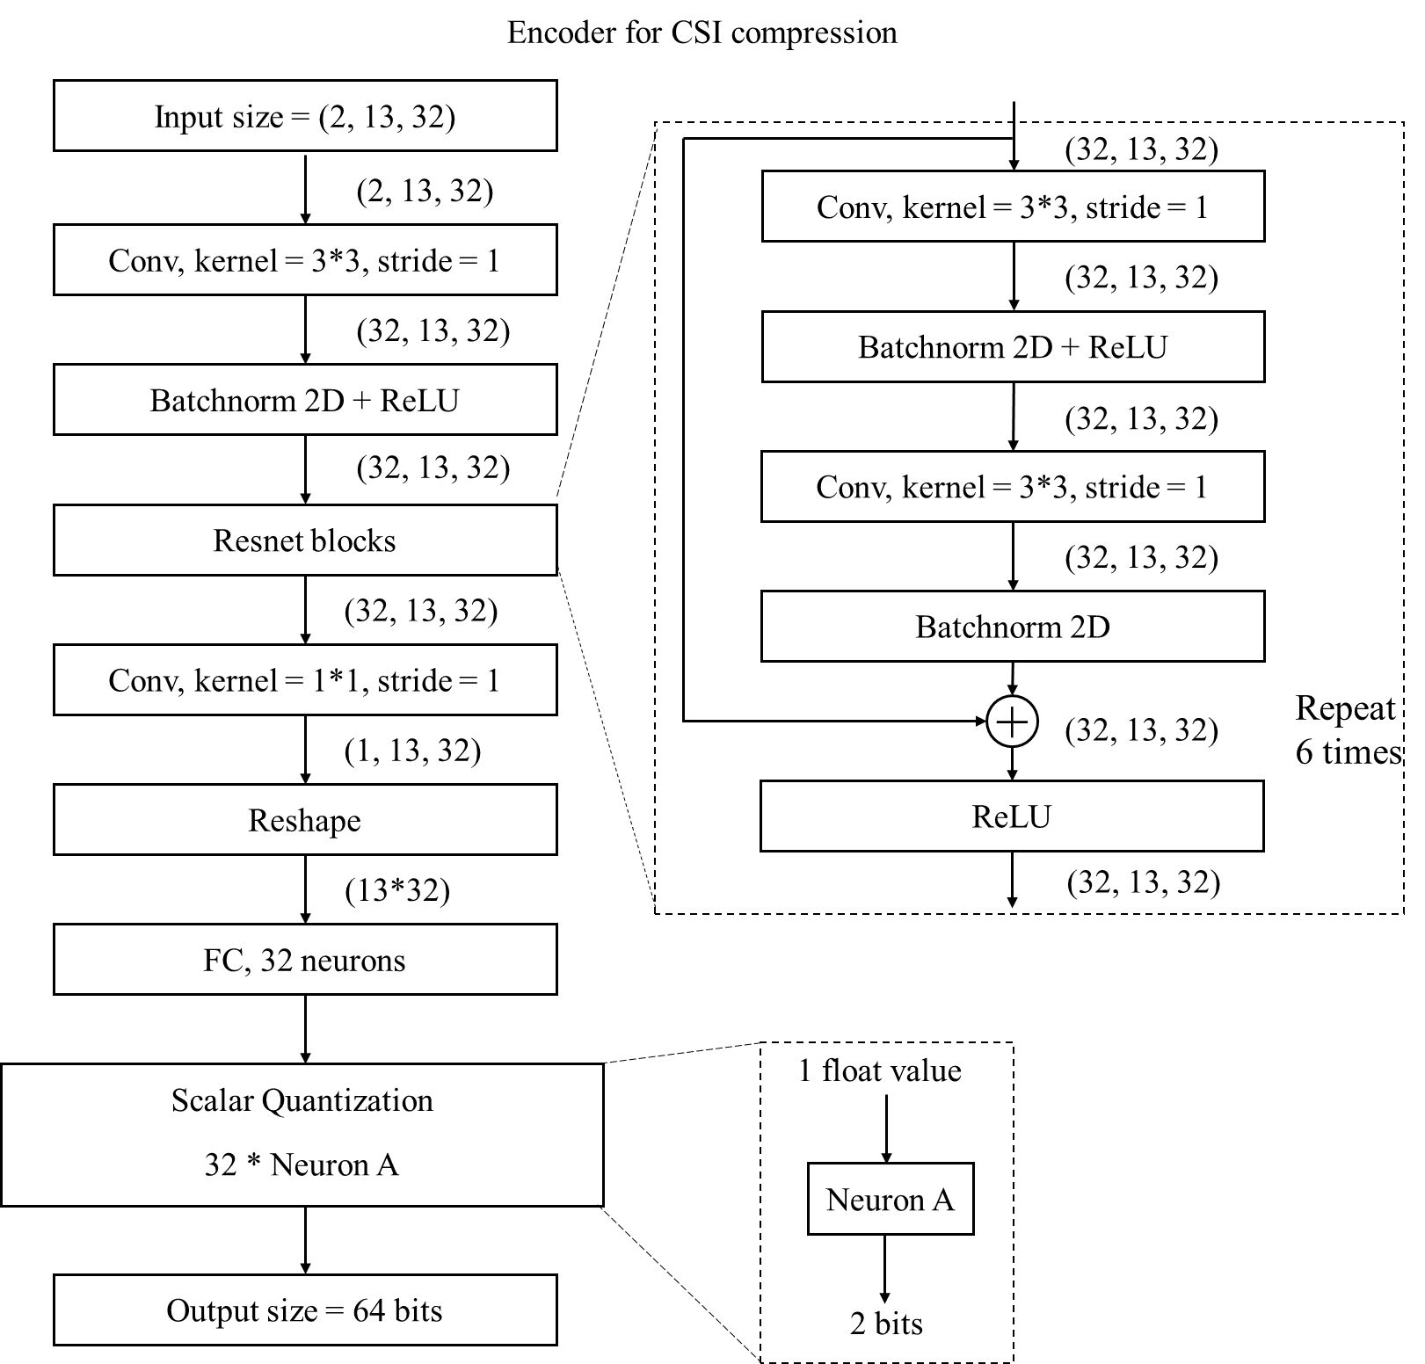
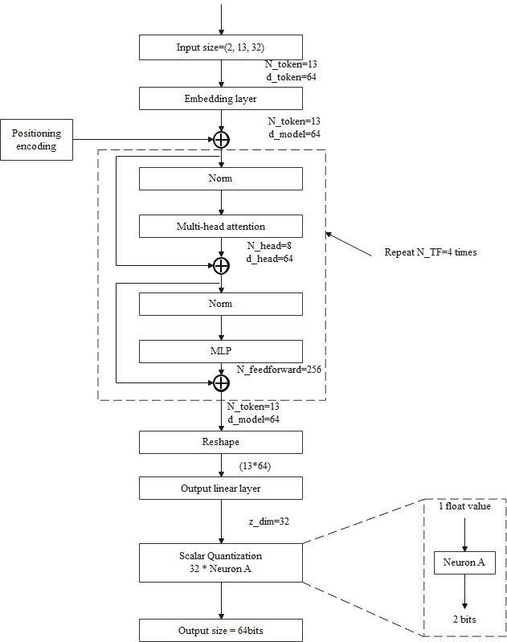
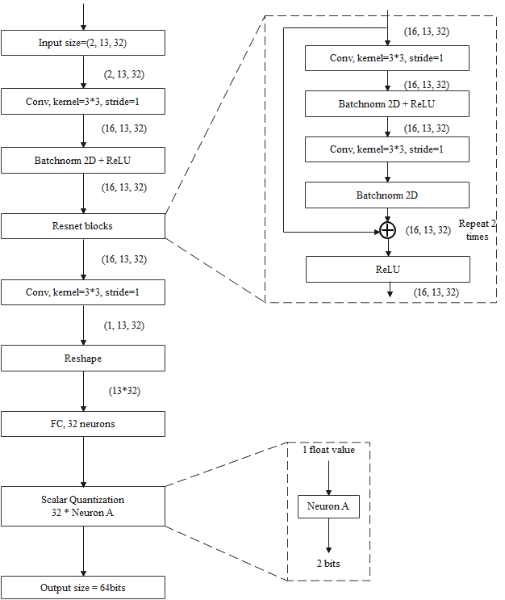
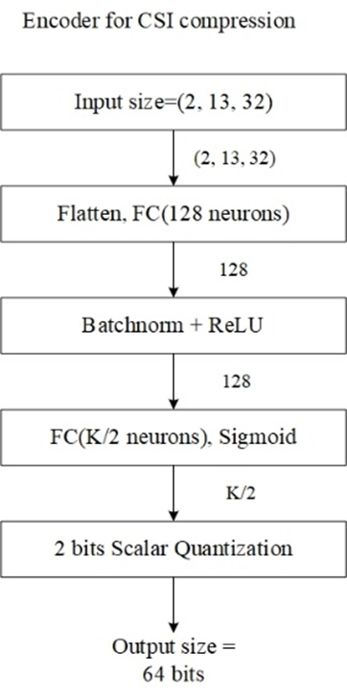
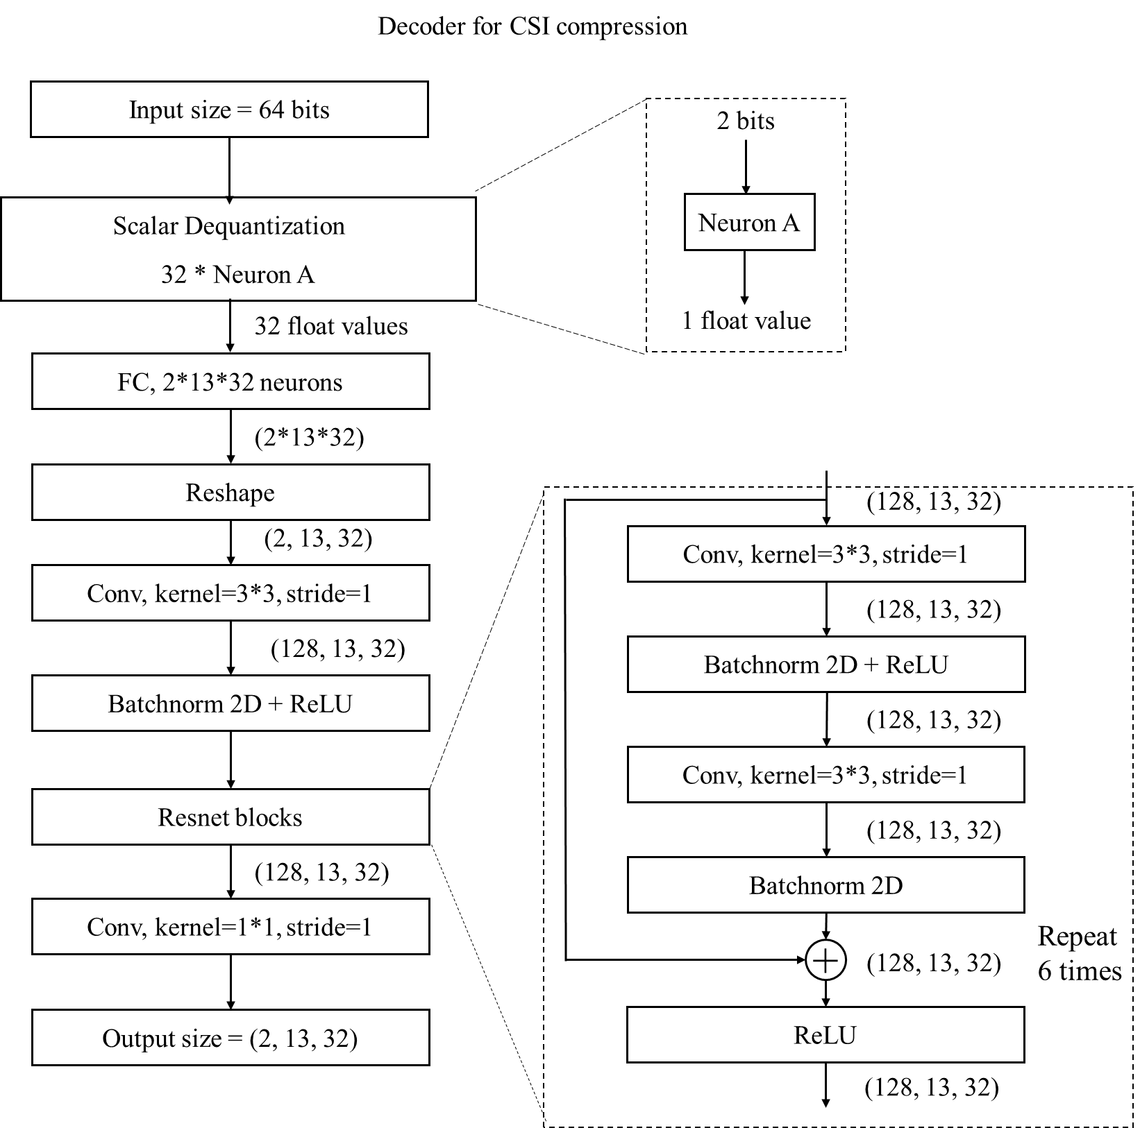

Model type | CNN (Resnet like design) | Model type | Transformer | Model type | CNN (Resnet like design) |  | Model type | MLP | Model type | CNN (Resnet like design)
FLOPs | 47M (vs. 1.6M for eTypeII) | FLOPs | 3.63M | FLOPs | 4.14M |  | FLOPs | 0.22M | FLOPs | 740M
Model size | 448Kbyte | Model size | 1.6Mbyte | Model size | 92Kbyte |  | K | 64 | Model size | 7.2Mbyte
Num of Resnet blocks | 6 | d_model | 64 | Number of Resnet blocks | 2 |  |  |  | Num of Resnet blocks | 6
Layer after resnet blocks | 2 layers (one FC layer, one Conv layer) | d_feedforward | 256 | Layer after Resnet blocks | 2 layers (one FC layer, one Conv layer) |  |  |  | Layer before resnet blocks | 2 layers (one FC layer, one Conv layer)
Layer before resnet blocks | 1 layer (one conv layer) | N_head | 8 | Layer before Resnet blocks | 1 layer (one Conv layer) |  |  |  | Layer after resnet blocks | 1 layer (one conv layer)
Layer within a resnet block | 2 Conv layer and direct combination | d_head | 64 | Layer within a resnet block | 2 Conv layer and direct combination |  |  |  | Layer within a resnet block | 2 Conv layer and direct combination
CNN kernel parameters | - dilation =1 (which is the default parameter) | N_TF | 4 | CNN kernel parameters | - dilation =1 (which is the default parameter) |  |  |  | CNN kernel parameters | - dilation =1 (which is the default parameter)
 | - padding type = zero padding (which is the default parameter) |  |  |  | - padding type = zero padding (which is the default parameter) |  |  |  |  | - padding type = zero padding (which is the default parameter)
 | - The value of groups =1 (which is default parameter) |  |  |  | - The value of groups =1 (which is default parameter) |  |  |  |  | - The value of groups =1 (which is default parameter)
Kernel/Channel size within a resnet block | (3,3,32) |  |  | Kernel/Channel size within a resnet block | (3,3,16) |  |  |  | Kernel/Channel size within a resnet block | (3,3,128)
Size of message (feature map) passed across layers | (13,32) |  |  | Size of message (feature map) passed across layers | (13,32) |  |  |  | Size of message (feature map) passed across layers | (13,32)

