Sheet1
CR pre-implemented draft specifications for RAN#109

Spec# | CR | Rapporteur's comments | additional comments
36.410 | 1 | GODIN, Philippe
Rel-19 | 1 | Editorial correction on the fist cover page: from V19.0.0(2025-09) to V19.0.0 (2025-09)
36.413 | 5 | XU, Steven
Rel-18 | 1 | No comment
Rel-19 | 4 | • ASN.1 error - Delete the extra “,”, i.e. Please change { ID id-TimeRefDistribution CRITICALITY ignore TYPE TimeRefDistribution PRESENCE optional},, ... } To { ID id-TimeRefDistribution CRITICALITY ignore TYPE TimeRefDistribution PRESENCE optional}, ... } - Section 9.3.3. import TimeRefDistribution and id-TimeRefDistribution • Editorial corrections: - Section 8.3.1.2, I moved the new paragraph, before describing the behavior for RESPONSE message. - Section 9.2.1.168, add space in “as specified in TS 23.401[11].”, i.e. change it to “as specified in TS 23.401 [11].” - Section 9.2.3.26, use italic font for IE names, and add “,” for the semantics description for “>Requested TNL Information” Indicates to the candidate eNB the PLMN ID for which the X2 TNL Configuration Info IE is requested if the SON Information IE is set to "X2 TNL Configuration Info“. If the SON Information Request IE within the SON Information IE is set to any value other than "X2 TNL Configuration Info", the Requested TNL Information IE is ignored.
36.423 | 1 | QIU, Liwei
Rel-19 | 1 | CR 1790: - Section 8.7.27.2, add “the” before the MeNB and en-gNB. The en-gNB initiates the procedure by sending the SCG FAILURE TRANSFER message to the MeNB. If received, the MeNB uses the information according to TS 36.300 [15]. - Section 9.1.4.33, revise the following. Direction: MeNB -> the en-gNB.
 |  | 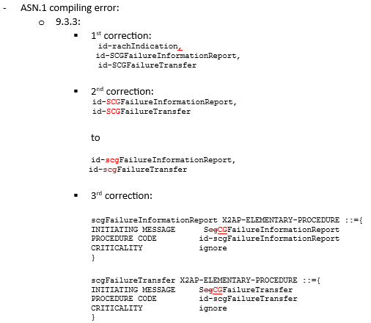
 |  | 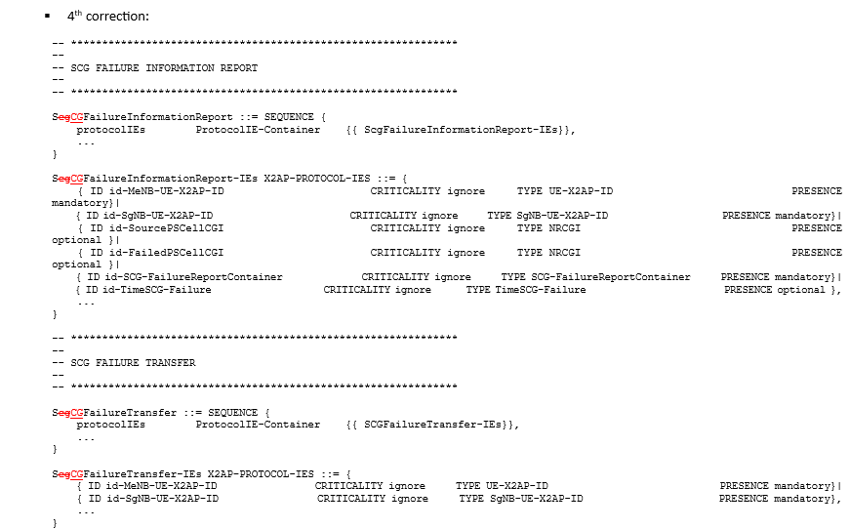
36.443 | 2 | XU, Steven
Rel-19 | 2 | need to wait for RAN2 spec to fix v19xy in “SystemInformationBlockType1-MBMS-v19xy as specified in TS 36.331 [11].”
37.480 | 1 | ARJONA, Andres
Rel-19 | 1
37.483 | 7 | MULLER, Julien
Rel-19 | 7 | Corrected some styles: mainly in tabular, that were sometimes wrong (e.g. TAL instead of TAC etc…). Added 2 “spaces” in the 9.3.1.38 table, between “INTEGER” and “(1..64, …)”. And ASN.1 compiles without errors.
38.401 | 11 | NG, Cheng Hock
Rel-18 | 1 |  | [Alex] some cleanup of styles -> '_eab' version file
Rel-19 | 10 |  | [Alex] - some cleanup of styles -> '_eab' version file - in section 7.11, seems that there is a CR implementation error, at least I detected a duplication of content. -> '_eabv2' version file
38.410 | 5 | GODIN, Philippe
Rel-19 | 5 | No comments
38.412 | 1 | MIN, Tianyang
Rel-19 | 1
38.413 | 20 | XU, Steven
Rel-16 | 1 | ok
Rel-17 | 1 | ok
Rel-18 | 1 | ok
Rel-19 | 17 | • ASN.1 please change “LMNidentity” to “LMNIdentity” in below paragraph: RequestedTNLInfo ::= SEQUENCE { pLMNidentity PLMNidentity, iE-Extensions ProtocolExtensionContainer { { RequestedTNLInfo-ExtIEs} } OPTIONAL, ... }
 |  | • The highlighted text shall be moved to “PathSwitchRequestIEs” HandoverRequestAcknowledgeIEs NGAP-PROTOCOL-IES ::= { { ID id-AMF-UE-NGAP-ID CRITICALITY ignore TYPE AMF-UE-NGAP-ID PRESENCE mandatory }| { ID id-RAN-UE-NGAP-ID CRITICALITY ignore TYPE RAN-UE-NGAP-ID PRESENCE mandatory }| { ID id-PDUSessionResourceAdmittedList CRITICALITY ignore TYPE PDUSessionResourceAdmittedList PRESENCE mandatory }| { ID id-PDUSessionResourceFailedToSetupListHOAck CRITICALITY ignore TYPE PDUSessionResourceFailedToSetupListHOAck PRESENCE optional }| { ID id-TargetToSource-TransparentContainer CRITICALITY reject TYPE TargetToSource-TransparentContainer PRESENCE mandatory }| { ID id-CriticalityDiagnostics CRITICALITY ignore TYPE CriticalityDiagnostics PRESENCE optional }| { ID id-NPN-AccessInformation CRITICALITY reject TYPE NPN-AccessInformation PRESENCE optional }| { ID id-RedCapIndication CRITICALITY ignore TYPE RedCapIndication PRESENCE optional }| { ID id-ERedCapIndication CRITICALITY ignore TYPE ERedCapIndication PRESENCE optional }| { ID id-SourceAMF-GUAMI CRITICALITY ignore TYPE GUAMI PRESENCE optional }, ... }
 |  | • Section 9.4.4, the following should be moved to Section 9.4.5 Aerial-UE-FlightInformationOngoingReporting-failed::= ENUMERATED { true, ... }
 |  | • Editorial comments: - Section 8.2.3.2, please change “Nodify” to “Notify” - Section 8.7.7.2 and 8.7.8.2 Fix “clause 4.X.2.” Need to wait for 38.300. - Section 8.3.1.2. the following paragraph uses incorrect font “Aerial”. Please change the font to “Times New Roman”. (Same format issue for 8.3.6.2, 8.14.2.2, )
 |  | If the INITIAL CONTEXT SETUP REQUEST message is received with neither the UE Radio Capability IE nor the UE Radio Capability ID IE, the NG-RAN node shall, if supported, request the UE Radio Capability information from the UE and send it to the AMF via the UE RADIO CAPABILITY INFO INDICATION message, as specified in TS 23.501 [9]. - Section 8.8.2.3. delete the extra space, i.e. change “the SON Configuration Transfer IE” to ““the SON Configuration Transfer IE”” - Section 9.2.6.14, format of the new IEs - Section 9.2.6.15, format of the new IEs - Section 9.3.1.2, add a “,” before the new cause value. 2Rx XR UE not supported, Aerial UE flight information reporting initiation failure) - Section 9.3.3.6, semantics description part, use italic for IE name. add “,” and space.
 |  | [CR1259] • It seems CR#1259 is not implemented. (not in my updated file) => implemented in Rapp version, Fixed some errors • Section 9.3.1.16, please delete the extra space in “>> Aerial UE Flight information Reporting”, i.e. change “>> Aerial…” to “>>Aerial…” • Section 9.3.1.283, “Reporting Periodicity” is already defined in the R18 spec. So need a new IE name. Please change “Reporting Periodicity” to “Aerial UE Reporting Periodicity”. This also requires changes to ASN.1. Please change Aerial-UE-FlightInformationReportingContol ::= SEQUENCE { higher-Altitude-Threshold Altitude, lower-Altitude-Threshold Altitude, report-periodicity ReportingPeriodicity OPTIONAL, iE-Extensions ProtocolExtensionContainer { {Aerial-UE-FlightInformationReportingContol-ExtIEs}} To Aerial-UE-FlightInformationReportingContol ::= SEQUENCE { higher-Altitude-Threshold Altitude, lower-Altitude-Threshold Altitude, Aerial-UE-report-periodicity AerialUEReportingPeriodicity OPTIONAL, iE-Extensions ProtocolExtensionContainer { {Aerial-UE-FlightInformationReportingContol-ExtIEs}}
 |  | [CR1259_cont.] Please change ReportingPeriodicity ::= ENUMERATED {ms120, ms240, ms480, ms640, ms1024, ms2048, ms5120, ms10240, ms20480, ms40960, min1, min6, min12, min30, ...} To AerialUEReportingPeriodicity ::= ENUMERATED {ms120, ms240, ms480, ms640, ms1024, ms2048, ms5120, ms10240, ms20480, ms40960, min1, min6, min12, min30, ...} • ASN.1 - the two rows highlighted below uses a different font, and it is not a “,” at the end. - Please delete the space before “-ExtIEs”, i.e. change “Aerial-UE-FlightInformationReporting -ExtIEs” to “Aerial-UE-FlightInformationReporting-ExtIEs”. There are 2 instances for this error.
 |  | From “Aerial-UE-report-periodicity” to “aerial-UE-report-periodicity ”
38.415 | 1 | GODIN, Philippe
Rel-19 | 1 | No comments
38.420 | 5 | KRISHNAN Shankar
Rel-19 | 5
38.423 | 15 | VESELY, Alexander
Rel-19 | 15 | CR1269 • 8.2.1.2: reference to the Indication of Bitrate Adaptation IE needs to specify the codepoint "uplink" of the enumeration (even though the type definition displays a single codepoint only) • 8.2.6.2: reference to the DL PDU Set Information Marking Support Indication IE needs to specify the codepoint "true" of the enumeration. • further, I decided to open subsections in 9.2.3.x for the "PSI based SDU Discard UL" IE and the "PSI based SDU Discard DL" IE, given that the lengthy semantics description is repeated 8 times. • ASN.1: o NGAP-PROTOCOL-EXTENSION changed to XNAP-PROTOCOL-EXTENSION o the extension of the AdditionalQoSFlowMappedtoDRBSetupInfoList-Item was erroneous due to not semantically checked extension type reference names o the reference to the "PSIBasedSDUDiscardUL" was corrected to the "PSIbasedSDUdiscardUL", same for DL and same for respective IE-id names CR1341 • ASN.1: almost only editorial (comma missing in IE-id import list). CR1411 • 8.4.2.2, reference to the "Future SSB Modification List" IE aligned with IE name in tabular "Future SSB Coverage Modification List".
 |  | CR1412 • ASN.1: o "maxnoofAreaNTNforMDT" in ASN.1 has value 32, in tabular 8 (and was wrongly referenced as "maxnoofAreaNTN" in ASN.1 IE module (I believe) and imported in IE module as "maxnoofNTNAreasforMDT"). o type-reference "PLMNIdentity" changed to "PLMN-Identity" o the ParameterizedReference "ProtocolIE-SingleContainer" was corrected to "ProtocolIE-Single-Container" o the import of the "id-GeographyBasedMDT" was done in the PDU module, not in the IE module o same for the "id-NetworkSliceAreaScopeofMDT" o extension of the NTNGeographicalAreaItem corrected (a very nasty error ;-), as the syntax checked pointed to an error in the container module, error was that for a ProtocolIE-Single-Container, the XNAP-PROTOCOL-EXTENSION class was used instead of the XNAP-PROTOCOL-IES.) CR1413 only editorials CR1414/1488 • I put all the L1/L2 Triggered procedures under the new section 8.6, following the structure outlined in CR0046 for 38.420. | [Jaemin] R3-256023 (XnAP DC CR1488) had to rely on the non-DC BL CR at that time as both touched the same section. For plenary, R3-256006 (XnAP non-DC CR1414) already moved the 3 bullets into 8.6.3.2 and implemented under “Handover”. So, already good enough and we just need to remove the 3 bullets in 8.6.3.1 copied from CR1488. => applied by Rapp in '_XnRappv2' version
 |  | CR1436 • I put the new procedures (for NES) under 8.4, following the structure outlined in CR0049 for 38.420 (Cell Activation is also under 8.4) • 8.4.17.2 (new), 2nd paragraph, rewording the first sentence, same in the 4th paragraph to read "If the Request Type IE ... is set to "start" ..." • same for statements concerning "stop". CR1460 • ASN.1 o the AerialUEFlightInformationReportingControl contained a syntax error due to the sequence tag "AerialUEReportingPeriodicity" beginning with an uppercase o id-AerialUEFlightInformationReportingControl was defined in constant module as id-AerialUEInformationReportingControl o the reference to the AerialUEInformationReportingControl-ExtIEs was corrected to AerialUEFlightInformationReportingControl-ExtIEs o the import of the id-AerialUEFlightInformationReportingControl was done in the PDU module, not in the IE. o the id-Altitude is not used CR1461 ok
 |  | CR1486 • 9.1.3.34 (new) CLI INDICATION, the SRS Resource Indication IE should have indentation 0; further, the reference to the SBFD-Subband-Allocation IE (38.331) can be provided w/o "r19" suffix, as there is no SBFD related IE present in RRC in previous releases (or other Rel-19 CRs) (in line with the principles captured in 30.531 §B.1) • ASN.1 o the SBFD-Frequency-Configuration type reference was not contained in the CR, the XnAP rapporteur added it to the IE module (SBFD-Frequency-Configuration ::= OCTET STRING)
 |  | CR1488 • 8.2.6.2, reference to the LTM DC Data Forwarding Indicator IE needs to specify the codepoint "triggered" of the enumeration (even though the type definition displays a single codepoint only) • 8.3.3.2, obvious copy&past error ADDITION->MODIFICATION • 8.3.3.2, reference to the LTM Information SN Modification IE needs to specify the codepoint "intra-MN-LTM" of the enumeration (even though the type definition displays a single codepoint only) • 8.3.6: in the cell switch notification procedural text, chapter 8.6.3.1, the last 3 bullets dealing with actual IEs need to be moved to 8.6.3.2 • 9.2.3.241 (new): IE description moved from the table into normal text. • 9.2.3.242 (new, LTM Candidate PSCell Request List): this is referenced in tabular and in ASN.1 in some places as "cancelled" list, which is obviously functionally wrong. however, I made the tabular consistent and added a "needs to be refined" in ASN.1. to be corrected in Q4. • ASN.1 o the spelling error in 9.3.4, IE import section of - LTMIinformationSCG-AddReq, - LTMIinformationSCG-AddReqAck, - LTMIinformationSCG-ModReq, o was corrected to have an upper-case "I" in "Information". o in 9.3.5, the obvious spelling error in ASN.1 of the "LTMInformationSCG-ModdReq-ExtIEs" was corrected o same for "LTMPScellInformation-ChangeRequired-ExtIEs" which was corrected to "LTMPSCellInformation-ChangeRequired-ExtIEs" CR1491: • only some editorials in tabular CR1505: ok
38.425 | 2 | XU, Lixiang
Rel-19 | 2 | 3.2: “TTNB Time To Next Burst” reduce the space to align with the existing one. 5.4.1: the first word for a IE should be capital. But is it not implementation issue. It is from BLCR or in the existing TS. Can this be corrected directly or should this be corrected via Rapporteur CR? 5.5.2.3: some use “ind” some use “ind.” Should be aligned. Again these are from BLCR, not implementation issue. 5.4.3.1: remove a blank 5.5.3.72: remove a redundant “the”. Again from BLCR, not implementation issue.
38.455 | 3 | LYAZIDI, Yazid
Rel-19 | 3 | - Section 3.1 definition, please put “WAB-MT” and “WAB-gNB” in bold - Section 9.3.5, ASN.1 there is a missing “ }” in the end: TRPMeasurementQuantitiesList-Item-ExtIEs NRPPA-PROTOCOL-EXTENSION ::= { {ID id-TimingReportingGranularityFactorExtended CRITICALITY ignore EXTENSION TimingReportingGranularityFactorExtended PRESENCE optional}| {ID id-ChannelResponseInformation CRITICALITY ignore EXTENSION ChannelResponseInformation PRESENCE optional}, - Please add space before the “::” here TRPMeasurementType::= ENUMERATED {
38.470 | 6 | OLOFSSON, Henrik
Rel-19 | 6 | No comments
38.473 | 14 | OLOFSSON, Henrik
Rel-18 | 2 | - Remove criticality for LTM TCI States Configurations Item IEs – should not be Each - ASN.1 passes syntax check
Rel-19 | 12 | - Remove criticality for LTM TCI States Configurations Item IEs – should not be Each - ASN.1 o GNBDUConfigurationUpdateIEs – remove one } o E-CID-AoA-NR-per-TRP-Item – correct reference to TRPMeasurementQuality o Remove duplicated definition of PER-Scalar and PER-Exponent o TraceDepth: correct enumerated values to align with syntax rules
Total | 100

