draft Specs
draft specifications - implementing agreed CRs for RAN#105

Spec# | CR | Rapporteur & comments | additional comments
38.401 | 8 | NG, Cheng Hock(NEC)
Rel-17 | 1 | OK
Rel-18 | 7 | OK
38.413 | 5 | KELLEY, Sean(Nokia)
Rel-17 | 1 | CR1184r1 - 9.3.3.52: remove unnecessary empty line in semantics description
Rel-18 | 4 | CR1176r1 - 9.3.3.52: remove unnecessary empty line in semantics description CR1177r3: - 8.2.3.2: remove unnecessary addition of a space after “release” - 8.2.4.2: “e..” changed to “e.g.”
38.423 | 17 | VESELY, Alexander(Ericsson)
Rel-15 | 1 | The only set of CRs that caused some problems was the one on “Correction on asymmetric UL and DL for TDD Carrier” with obvious ASN.1 errors stemming probably from copying the code from F1AP and some corrections w.r.t. reference to the NR Transmission Bandwidth (CRs 1325/1326/1327/1328) And I also corrected the things outlined by Yan(8.4.2.2 and 9.1.1.8) and other small editorials (styles) 8.4.2.2 : ' . ' is missing at the end of the newly added part. 9.1.1.8 : (true, …) should be ENUMERATED (true, ...)
Rel-16 | 1
Rel-17 | 3
Rel-18 | 12
38.455 | 4 | LYAZIDI, Yazid(Ericsson)
Rel-18 | 4 | 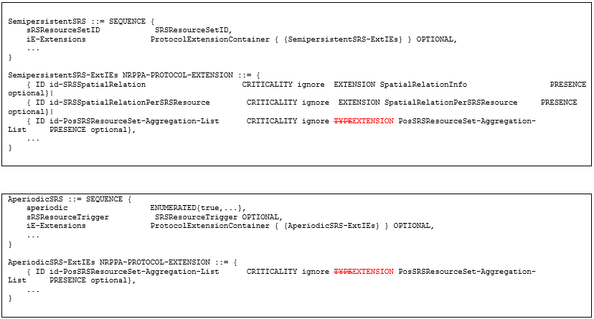 Replace TYPE by EXTENSION in the two below instances: ID id-PosSRSResourceSet-Aggregation-List CRITICALITY ignore TYPEEXTENSION Editorial things: (0..2199,…) -> (0..2199, …) / kHz120, …, -> kHz120, … , / 1.. .. -> 1.. 9.2.5
38.470 | 2 | OLOFSSON, Henrik(Huawei)
Rel-18 | 2 | - No comments
38.473 | 28 | OLOFSSON, Henrik(Huawei)
Rel-15 | 1 | - No comments - ASN.1 passes syntax check - New ID: o id-Transmission-Bandwidth-asymmetric 852 (new)
Rel-16 | 3 | - No comments - ASN.1 passes syntax check - New ID: o id-Transmission-Bandwidth-asymmetric 852 (matching previous release)
Rel-17 | 5 | - No comments - ASN.1 passes syntax check - New ID: o id-Transmission-Bandwidth-asymmetric 852 (matching previous release)
Rel-18 | 19 | - new version with proposed changes attached - 9.2.2.15/16 – added a missing YES in the crit column - 9.3.1.10 – removed duplicated “This IE is ignored” - 9.3.1.18 – added italics to an RRC reference - 9.3.1.337 – corrected formatting + INTERGER->INTEGER - ASN.1 o ReportingIntervalIMs: 1...99 -> 1..99 o SemipersistentSRS-ExtIEs: TYPE -> EXTENSTION o AperiodicSRS-ExtIEs : TYPE -> EXTENSTION - With the changes above, ASN.1 passes syntax check - New IDs: o id-BarringExemptionforEmerCallInfo 849 (new) o id-SIB17bis-message 850 (new) o id-ReportingIntervalIMs 851 (new) o id-Transmission-Bandwidth-asymmetric 852 (matching previous release) o id-TagIDPointer 853 (new)
Total | 64 | - | -

