Status with comments
Draft specifications implemented CRs approved at RAN#103
Spec | Rel-15 | Rel-16 | Rel-17 | Rel-18 | Total | Rapp |  | Rapp's comment/correction | Additional Comments/Corrections
29.413 | 1 | 1 | 1 | 2 | 5 | XU, Steven | Nokia | Rel-18 CR0026 - 5.3: implement paragraph to proper place
36.413 |  | 1 | 2 | 4 | 7 | XU, Steven | Nokia
36.423 |  | 1 | 2 | 6 | 9 | QIU, Liwei | Ericsson
36.455 |  |  |  | 1 | 1 | MASINI, Gino | Ericsson
37.460 |  |  |  | 1 | 1 | REININGER, Philippe | Huawei | Not detected any issue
37.461 |  |  |  | 1 | 1 | REININGER, Philippe | Huawei | Not detected any issue
37.462 |  |  |  | 1 | 1 | REININGER, Philippe | Huawei | - 2. Reference: '[4] Antenna Interface Standards Group: "Control Interface for Antenna Line Devices", Standard No. AISG v2.0.' <= '.' is added at the end of it. - 3.1 and 3.2 '~~3GPP TR 21.905 [1]~~' => '~~3GPP TR 21.905 [5]~~'
37.466 |  |  |  | 1 | 1 | REININGER, Philippe | Huawei | 3.1 and 3.2 '~~3GPP TR 21.905 [1]~~' => '~~3GPP TR 21.905 [5]~~'
37.480 |  |  |  | 1 | 1 | ARJONA, Andres | Nokia
37.482 |  |  | 1 | 1 | 2 | YANG, Xudong | Huawei
37.483 |  |  | 1 | 9 | 10 | MULLER, Julien | Ericsson | Rel-17 CR0093: 8.6.1.1.2 : This should be a “.” and not a “;”
38.401 |  | 2 | 2 | 13 | 17 | NG, Cheng Hock | NEC | Rel-18 CR0347: 8.22.2 6a/6b -> 5a/5b CR0311/0324: 8.18.2 move some paragraph a bit left side
38.410 |  |  |  | 1 | 1 | GODIN, Philippe | Nokia
38.413 |  | 1 | 3 | 26 | 30 | KELLEY, Sean | Nokia | Release 16: CR1059 - 8.3.1.2, 8.3.4.2, 8.4.2.2: Add missing space between spec and reference “TS 38.401[2]” - 8.3.4.2: Remove unnecessary comma “in the UE context, and use it”
 |  |  |  |  |  |  |  | Release 17: CR1060 - 8.3.1.2, 8.3.4.2, 8.4.2.2, 8.4.4.2: Add missing space between spec and reference “TS 38.401[2]” - 8.4.4.2: Remove unnecessary comma “in the UE context, and use it” CR1053 -8.4.2.2: implement paragraph to proper location
 |  |  |  |  |  |  |  | Release 18 editorials: CR1061 - §8.3.1.2, 8.3.4.2, 8.4.2.2, 8.4.4.2: Add missing space between spec and reference “TS 38.401[2]” - §8.3.4.2, 8.4.4.2: Remove unnecessary comma “in the UE context, and use it” CR1085 - §9.3.1.12: Values in Range column should not be in bold font. CR1095 - §9.3.1.247: Fix double space in Aerial UE CR1101 - §9.3.1.12: Values in Range column should not be in bold font. CR1106 - §8.3.4.2: Remove unnecessary comma “in the UE context, and use it” CR1114 - §2: fix wrong quote type in reference [57] Annex A Change history: - CR1106r2 should be r3 - CR1114r3 should be r4 Other editorial: - §9.2.2.24: “Direction” for MT COMMUNICATION HANDLING FAILURE changed to “AMF  NG-RAN node” since the message is AMF initiated (not NG-RAN node initiated). - §8.4.4.2: “can not” changed to “cannot” - Some text changed to italics where needed. - Some formatting cleanup, e.g. width of tables or fixing of indents in ASN.1.
 |  |  |  |  |  |  |  | 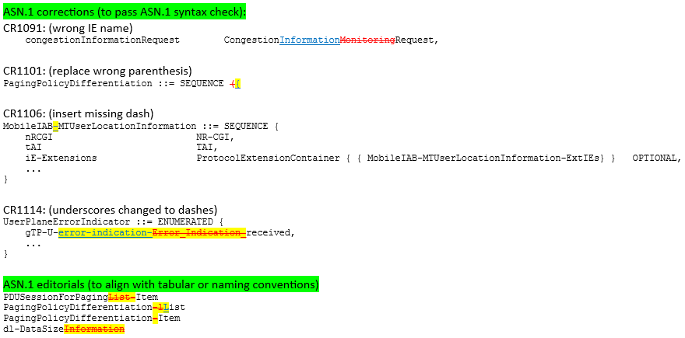 Rel-18 ASN.1
38.415 |  |  |  | 2 | 2 | GODIN, Philippe | Nokia
38.420 |  |  |  | 3 | 3 | KRISHNAN, Shankar | Qualcomm
38.423 | 1 | 2 | 8 | 41 | 52 | VESELY, Alexander | Ericsson | Rel-15: - CR1204 o ran into the usual trap (partly my fault) for the extension containers, please correct the new line in ASN.1 as follows, i.e. “TYPE” needs to be replaced by “EXTENSION”, then it is syntactically correct PDUSessionNotAdmitted-SNModResponse-ExtIEs XNAP-PROTOCOL-EXTENSION ::= { { ID id-PDUSessionResourcesNotAdmitted-List CRITICALITY ignore EXTENSION PDUSessionResourcesNotAdmitted-List PRESENCE optional }, ... } - in the History, “RAM#103” should be “RAN#103” ;-) (<= corrected)
 |  |  |  |  |  |  |  | Rel-16 - CR1205 o Same error as for CR1204 above
 |  |  |  |  |  |  |  | Rel-17 - CR1206 o Same error as for CR1204 above - CR1114 o Some editorials, I replaced spaces by tabs in ASN.1 (otherwise the (my) ASN.1 syntax checker reacted very irritated) - A few artefacts removed, see attached file
 |  |  |  |  |  |  |  | Rel-18 - CR1207 o Same error as for CR1204 above - CR1122 o Moved the choice extension of the SliceAvailabilityList before the “...” - CR1149 o Case-sensitive ASN.1 error “PDUsetQoSParameters” -> “PDUSetQoSParameters” etc. - CR1168 o I couldn’t help replacing “decide the” by “deduce” in §8.3.1.2 “... may use it to deducedecide the direct data path availability with ...” - CR1173 o The last change in section 8.5.3.2 is impossible to implement, as the text in the CR is obviously not based on the latest version of XnAP. So better to not implement it and leave it for next meeting. (<= marked this in history of spec) - CR1193 o I restored the removal of ProtocolIE-ID ::= 439 and renamed the constant to id-ProtocolIE-ID-439-not-to-be-used - CR1226 o Import of id-S-CPAC-Request and S-CPAC-Request forgotten in the PDU module - CR1240 o ASN.1 of this CR doesn’t show Rel-18 specification, well. Nevertheless, as this is a cat.A CR, the inclusion of the IABAuthorizationStatus in the HandoverRequest PDU needs to be at the same place as in Rel-17, therefore I moved it up to the proper place. - CR1241 o Rephrased in §8.2.6.2 to “... if supported, includereport in the XN-U ADDRESS INDICATION message the PDU Set based Handling Indicator IE set to "supported".” - Some edits like tabs in ASN.1, removing spaces, proper stlyes, indentation, IE groups in bold, and such
38.455 |  |  | 1 | 6 | 7 | LYAZIDI, Yazid | Ericsson | Rel-17: all good. - Added headers in 9.3.4 and 9.3.5 for readability and navigation in the spec. Rel-18: - deleted “NewCellIdentity,” In 9.3.4 because the IE parameter is not used anywhere; because of this, the compiler does not pass the syntax check. - Added headers in 9.3.4 and 9.3.5 for readability and navigation in the spec. - Added “Eleven” in the below IE instead of “X-”: in 9.2.81
38.462 | 1 | 1 |  |  | 2 | YANG, Xudong | Huawei
38.470 |  |  |  | 8 | 8 | OLOFSSON, Henrik | Huawei | Some minor editorial updates to fix ; and . | 3
38.473 |  | 1 | 5 | 35 | 41 | OLOFSSON, Henrik | Huawei | Rel-16: No comments Rel-17: - No comments - Note: the 9.3.1.7 SRB ID is extended to: (0..3, ..., 4)
 |  |  |  |  |  |  |  | Rel-18 - editorial : 9.2.1.10 '>>SSBs within the cell to be Activated List', this should not be bold. It was bold before but changed from IEgroup (bold) to IE (not bold). - 8.1 added missing DU-CU Access And Mobility Indication - 9.2.1.5 – added missing reference aaa-> 326 - 9.3.1.7 SRB ID is extended to: (0..3, ..., 4 | 5) - 9.3.1.169, 9.3.1.248 fixed indentation - 9.3.1.254 – changed from xth bit to eleventh bit - 9.3.1.297 – removed duplicated table - 9.3.1.327 – corrected reference to 9.3.1.4 - ASN.1 o Misc small corrections o maxnoHopsMinusOne missing o SRS Information Reservation Notification: changed presence from ignore->optional - With the above changes the ASN.1 passes syntax check
Total | 3 | 10 | 26 | 163 | 202 | - | - | -

