PerMeeting
 |  | Maintenance | 5GA | 6G Study | Buffer
Aug'25 | 3GPPSA3#123 | 12 | 4 |  | 5
Oct'25 | 3GPPSA3#124 | 6 | 11 | 3 | 1
Nov.25 | 3GPPSA3#125 | 6 | 11 | 3 | 1 | Last meeting for 5GA SIDs Agreement
Feb'26 | 3GPPSA3#126 | 6 | 7 | 7 | 1 | Last meeting for 6G SIDs Agreement
April'26 | 3GPPSA3#127 | 6 | 7 | 7 | 1
May'26 | 3GPPSA3#128 | 6 | 8 | 6 | 1
Aug'26 | 3GPPSA3#129 | 6 | 8 | 6 | 1 | Sep'26 Stage 2 Freeze
Oct'26 | 3GPPSA3#130 | 6 | 7 | 7 | 1
Nov'26 | 3GPPSA3#131 | 6 | 8 | 6 | 1
Feb'27 | 3GPPSA3#132 | 6 | 8 | 6 | 1 | March'27 Stage 3 Freeze
April'27 | 3GPPSA3#133 | 6 |  | 14 | 1
May'27 | 3GPPSA3#134 | 6 |  | 14 | 1 | June'27 Rel-20 Completion
 |  | 78 | 79 | 79 | 16

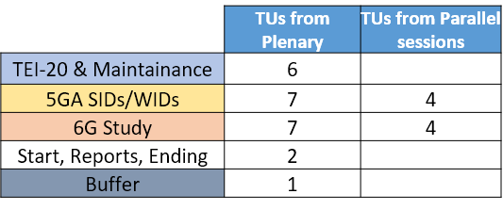

#Early closure for Social evening on Wednesday

