Simulation assumptions
Simulation assumptions for error modelling (R4-2511797)
Parameter | Value
Simulation assumptions for baseband error
Carrier frequency | 30GHz
Subcarrier spacing | 120kHz
Channel model | Case 1: NLOS channel - Option 1(MediaTek):  TDL-C, DS=100ns - Option 2(vivo, Apple, Qualcomm):  CDL-C, DS=100ns Case 2: AWGN channel (Nokia, xiaomi)
BS antenna configurations | Option 1(vivo): One panel: (M, N, P, Mg, Ng) = (4, 8, 2, 1, 1), (dV, dH) = (0.5, 0.5) λ as baseline. Number of Tx beams is 32 Option 2(MediaTek, Qualcomm): Number of TX beams: 1 Baseband errors are independent for each TX beam
Set A and Set B configurations | 32 beams set A 8 beams set B
BS antenna element radiation pattern | Table 2 in R4-2511797
BS antenna height and antenna array down-tilt angle, if needed | 25m, 110°(vivo)
simulated scenarios | scenario 1: Spatial domain prediction with 32 beams in Set A, Set B is subset of Set A and contains 8 beams for measurement. scenario 2: Spatial domain prediction with 32 CSI-RS beams in Set A and 8 SSB beams in Set B
Beam pattern legend for Set A and Set B (for scenraio 1) | 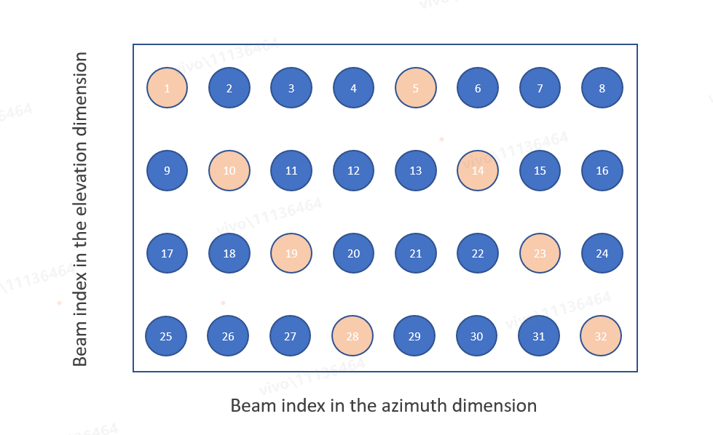
Azimuth and elevation angle ranges (for scenraio 1) | 32 beams with grid of 4 elevation angles from (100°to 150°) and 8 azimuth angles from (-60°to 60°) Note: here the 0 degree in Elevation refers to +Z axis
AoDs of Set A and Set B (°) (for scenraio 1) | • Set A:  4 elevation DFT beams: [106.25, 118.75, 131.25, 143.75]  8 azimuth DFT beams: [-52.5, -37.5, -22.5, -7.5, 7.5, 22.5, 37.5, 52.5] • Set B [(azimuth, elevation)]:  [(-52.5, 143.75), (-37.5, 131.25), (-22.5, 118.75), (-7.5, 106.25), (7.5, 143.75), (22.5, 131.25), (37.5, 118.75), (52.5, 106.25)
AoDs of Set A and Set B (°) (for scenario 2) | Set A (CSI-RS): • 4 elevation DFT beams: [106.25, 118.75, 131.25, 143.75] • 8 azimuth DFT beams: [-52.5, -37.5, -22.5, -7.5, 7.5, 22.5, 37.5, 52.5] Set B (SSB): • 2 elevation DFT beams: [112.5, 137.5] • 4 azimuth DFT beams: [-45, -15, 15, 45] Companies can use a subset of antenna elements to generate wider DFT beams for SSB. One of the options to generate setB beams is shown below. Other options to generate setB beams are not precluded.
BS Antenna Configuration and number of beams (for scenario 2) | For setA determination: Use the setup from 38.843 Table 6.3.1-1 Antenna setup and port layouts at gNB: (4, 8, 2, 1, 1, 1, 1), (dV, dH) = (0.5, 0.5) λ Number of CSI-RS beams: 32 For setB determination: Use a subset of antenna elements, e.g., below. Antenna setup and port layouts at gNB: (2, 4, 2, 1, 1, 1, 1), (dV, dH) = (0.5, 0.5) λ Number of SSB beams: 8
UE antenna element radiation pattern | Table 3 in R4-24205152
UE moving speed | 3km/h
Reference signal | CSI-RS (for scenario 1) or SSB (for scenario 2)
DRX | No
Number of samples in L1 averaging | 1
SNR/SINR | SNR= -3dB Note: Simulation with other SNR levels are not precluded, e.g., for determining the SNR for ideal measurement.
Simulation assumptions for RF error
RF errors modeling | Truncated Gaussian distribution under ±4.5 dB RF error (〖μ=0,σ〗^2=4.5) is used Each TX beam are Independent 2Rx chains with independent RF error per chain (same distribution for each chain)
UE related parameters
SNR range | Filter UEs which SNR> -3dB
UE distribution | 100% outdoor
Performance metrics
KPI1 | KPI 1: Beam prediction accuracy • The successful rate for the correct prediction which is considered as maximum ground truth RSRP among top-K predicted beams is larger than the ground truth RSRP of the strongest genie-aided beam – x dB, where K=1,2,3,4,5, X= 0,1, 2, 3dB
KPI2 | KPI 2: Absolute RSRP accuracy • 90%-tile L1-RSRP difference between the predicted L1-RSRP of the Top-1/ Top-3/ Top-5 predicted beam(s) and the ground truth L1-RSRP of the same beams
Simulated Cases
Case 1 | No error will be considered in training dataset, model input during inference and ground-truth
Case 3 | Error will be considered in training dataset, model input during inference and ground-truth
Tdoc number
Tdoc number | R4-2513412 vivo R4-2513080 MediaTek R4-2514308 Nokia R4-2513454 Xiaomi R4-2514461 Qualcomm R4-2513423 Huawei R4-2514092 ZTE Corporation, Sanechips

