AWGN_plot
 |  |  |  |  |  | Xiaomi |  | CATT |  | CATT |  | CATT |  | LGE |  | LGE
 |  |  |  |  |  | 2D-NUC, max-log |  | PS |  | GS |  | GS |  | 1D-NUC |  | 2D-NUC
MCS | Samsung GS | Samsung PS | MTK PS | Qc PS | Qc Gs | Parameters (ATSC LUT rate) | Gain in dB, 10% BLER | Parameters (mod=log2(Q),λ, coding rate, SE bps) | Gain in dB, 1% BLER | Parameter(mod,coding rate, SE in bps) | Gain in dB, 1% BLER | Parameter(mod,coding rate, SE in bps) | Gain in dB, 1% BLER | Parameters (Mod, coding rate) | Gain in dB, 10% BLER | Parameters (Mod, coding rate) | Gain in dB, 10% BLER
5 |  |  |  | 0.5 | 0.0
6
7 |  |  |  | 0.5 | 0.0 |  |  | （4，~，3/4,2) | 0.25 | (4,1/2,2)
8
9 |  |  |  | 0.4 | 0.0
10 | 0.691 |  |  |  |  |  |  | (4,~,3/4,2.5) | 0.4 | (4,5/8,2.5)
 | Samsung GS | Samsung PS | MTK PS | Qc PS | Qc Gs
5 |  |  |  | 0.5 | 0
6
7 |  |  |  | 0.5 | 0
8
9 |  |  |  | 0.4 | 0
10 | 0.691
11 | 0.568661 |  | 0.67 | 0.9 | 0.4
12 | 0.321405 |  | 0.63 | 0.8 | 0.4
13 | 0.244752 | 0.019378 | 0.63 | 0.8 | 0.4
14 | 0.250221 | 0.156444 | 0.72 | 0.9 | 0.4
15 | 0.242512 | 0.485203 | 0.75 | 0.9 | 0.5
16 | 0.233506 | 0.580259 | 0.72 | 0.8 | 0.4
17 | 0.207615 | 0.58728 | 0.67 | 0.8 | 0.3
18 | 0.188989 | 0.539688 | 0.54 | 0.9 | 0.4
19 | 0.145821 | 0.533094 | 0.48 | 1 | 0.5
20 | 0.10151 | 0.40547 | 0.88 | 1.1 | 0.6
21 | 0.053172 | 0.233056 | 0.93 | 1.2 | 0.6
22 | 0.484547 | 0.701799 | 0.84 | 1.2 | 0.6
23 | 0.409575 | 0.840397 | 0.85 | 1.1 | 0.6
24 | 0.294026 | 0.692761 | 0.7 | 1 | 0.6
25 | 0.23918 | 0.642247 | 0.53 | 1 | 0.5
26 | 0.200042 | 0.51592 | 0.4 | 1.2 | 0.6
27 | 0.148452 | 0.336726 | 0.35 | 1.4 | 0.7
 | 0.669456 | 0.891233 |  | 1.2 | 0.6
 | 0.455648 | 0.818569 |  | 1 | 0.5
 | 0.317088 | 0.736601 |  | 1 | 0.5
 | 0.145216 | 0.42861 |  | 1.4 | 0.7
11 | 0.568661 |  | 0.67 | 0.9 | 0.4 |  |  |  |  |  |  |  |  |  |  | (6,466/1024) | 0.79
12 | 0.321405 |  | 0.63 | 0.8 | 0.4 |  |  | (6,~,5/6,3) | 1 | (6,1/2,3) | 0.2 |  |  |  |  | (6,5176/1024) | 0.52
13 | 0.244752 | 0.019378 | 0.63 | 0.8 | 0.4 |  |  |  |  |  |  |  |  |  |  | (6,567/1024) | 0.4
14 | 0.250221 | 0.156444 | 0.72 | 0.9 | 0.4 |  |  | (6,~,5/6,3.5) | 1 | (6,7/12,3.5) | 0.2 |  |  |  |  | (6,616/1024) | 0.45
15 | 0.242512 | 0.485203 | 0.75 | 0.9 | 0.5 |  |  | (6,~,5/6,4) | 0.9 | (6,2/3,4) |  | (8,1/2,4) | 0.6 |  |  | (6,666/1024) | 0.4
16 | 0.233506 | 0.580259 | 0.72 | 0.8 | 0.4 |  |  |  |  |  |  |  |  |  |  | (6,719/1024) | 0.33
17 | 0.207615 | 0.58728 | 0.67 | 0.8 | 0.3 |  |  | (6,~,5/6,4.5) | 0.8 | (6,3/4,4.5) | 0.1 | (8,9/16,4.5) | 0.5 |  |  | (6,772/1024) | 0.32
18 | 0.188989 | 0.539688 | 0.54 | 0.9 | 0.4 |  |  |  |  |  |  |  |  |  |  | (6,8226/1024) | 0.3
19 | 0.145821 | 0.533094 | 0.48 | 1.0 | 0.5 |  |  | (8,~,7/8,5) | 1.4 | (8,5/8,5) | 0.5 | (10,1/2,5) | 0.8 |  |  | (6,873/1024) | 0.4
20 | 0.10151 | 0.40547 | 0.88 | 1.1 | 0.6 | 10/15 | 0.72 dB |  |  |  |  |  |  |  |  | (8,682.5/1024) | 1
21 | 0.053172 | 0.233056 | 0.93 | 1.2 | 0.6 |  |  | (8,~,7/8,5.5) | 1.3 | (8,11/16,5.5) | 0.4 | (10,11/20,5.5) | 0.8 |  |  | (8,711/1024) | 0.9
22 | 0.484547 | 0.701799 | 0.84 | 1.2 | 0.6 | 11/15 | 0.62 dB | (8,~,7/8,6) | 1.2 | (8,3/4,6) | 0.2 | (10,3/5,6) | 0.7 |  |  | (8,754/1024) | 0.6
23 | 0.409575 | 0.840397 | 0.85 | 1.1 | 0.6 | 12/15 | 0.6 dB |  |  |  |  |  |  |  |  | (8,797/1024) | 0.5
24 | 0.294026 | 0.692761 | 0.7 | 1.0 | 0.6 | 12/15 | 0.5 dB | (8,~,7/8,6.5) | 0.8 | (8,13/16,6.5) | 0.1 | (10,13/20,6.5) | 0.6 |  |  | (8,841/1024) | 0.5
25 | 0.23918 | 0.642247 | 0.53 | 1.0 | 0.5 | 13/15 | 0.42 dB | (10,~,9/10,7) | 1.7 |  |  | (10,7/10,7) | 0.5 |  |  | (8,885/1024) | 0.4
26 | 0.200042 | 0.51592 | 0.4 | 1.2 | 0.6 |  |  |  |  |  |  |  |  |  |  | (8,916.5/1024) | 0.4
27 | 0.148452 | 0.336726 | 0.35 | 1.4 | 0.7 |  |  | (10,~,9/10,7.5) | 1.4 |  |  | (10,3/4,7.5) | 0.4 |  |  | (8,948/1024) | 0.2
 | 0.669456 | 0.891233 |  | 1.2 | 0.6 |  |  | (10,~,9/10,8) | 1.2 |  |  | (10,4/5,8) | 0.2 | (10,805.5/1024) | 0.5
 | 0.455648 | 0.818569 |  | 1.0 | 0.5 |  |  | (10,~,9/10,8.5) | 0.8 |  |  | (10,17/20,8.5) | 0.1 | (10,853/1024) | 0.4
 | 0.317088 | 0.736601 |  | 1.0 | 0.5 |  |  |  |  |  |  |  |  | (10,900.5/1024) | 0.3
 | 0.145216 | 0.42861 |  | 1.4 | 0.7 |  |  |  |  |  |  |  |  | (10,948/1024) | 0.2
Additional assumptions |  |  |  |  |  |  |  |  |  |  |  |  |  | 10 PRB & 9 OFDM symbol, NR LDPC with 20 iteration decoding, 1Tx/4Rx |  | 10 PRB & 9 OFDM symbol, NR LDPC with 20 iteration decoding, 1Tx/4Rx
 | Samsung GS
5
6
7
8
9
10 | 0.691
11 | 0.568661
12 | 0.321405
13 | 0.244752
14 | 0.250221
15 | 0.242512
16 | 0.233506
17 | 0.207615
18 | 0.188989
19 | 0.145821
20 | 0.10151
21 | 0.053172
22 | 0.484547
23 | 0.409575
24 | 0.294026
25 | 0.23918
26 | 0.200042
27 | 0.148452
 | 0.669456
 | 0.455648
 | 0.317088
 | 0.145216

AWGN_plot2
MCS | SE | QC PS | QC 2D GS | MTK PS ESS | MTK PS RESS | Samsung 1D GS | Samsung 1bit PS | ZTE 1D GS | ZTE 2D GS | ZTE PS CCDM | Lenovo 1D GS | Lenovo NP 1D GS | Lenovo PS | HW 1D GS | HW 2D GS | HW PS CCDM | CATT PS | Tejas 1D GS | Tejas 2D GS | Ericsson 1D GS | Ericsson 2D GS | LGE 2D-GS
5 | 1.4766 | 0.5 | 0.0 |  |  |  |  |  | 0.1872 |  |  |  | 0.3 dB | 0.1 | 0.1 | 0.6 |  | 0 | 0.1 | 0 | 0~0.2
6 | 1.6953 |  |  |  |  |  |  |  | 0.2457 |  |  |  | 0.32 dB |  |  |  |  | 0 | 0.1 | 0 | 0~0.2
7 | 1.9141 | 0.5 | 0.0 |  |  |  |  |  | 0.2210 |  |  |  | 0.4 dB | 0 | 0.1 | 0.5 | 0.25 | 0.1 | 0.2 | 0 | 0~0.2
8 | 2.1602 |  |  |  |  |  |  |  | 0.2067 |  |  |  | 0.4 dB |  |  |  |  | 0.2 | 0.2 | 0 | 0~0.2
9 | 2.4063 | 0.4 | 0.0 |  |  |  |  |  | 0.1671 |  |  |  | 0.3 dB | 0 | 0.2 | 0.5 |  | 0 | 0.1 | 0 | 0~0.2
10 | 2.5703 |  |  |  |  | 0.691 |  |  | 0.1920 |  |  |  | 0.15 dB |  |  |  | 0.4 | 0.1 | 0.1 | 0 | 0.2~0.4
11 | 2.7305 | 0.9 | 0.4 |  | 0.67 | 0.568661 |  | 0.4063 | 0.6520 | 0.8604 | 0.4 dB | 0.15 dB | 1.1 dB | 0.3 | 0.7 | 1.1 |  | 0.4 | 0.5 | 0.6 | 0.6~0.8 | 0.79
12 | 3.0293 | 0.8 | 0.4 |  | 0.63 | 0.321405 |  | 0.2292 | 0.5873 | 0.7462 | 0.3 dB | 0.15 dB | 1 dB | 0.3 | 0.5 | 1 | 1 | 0.2 | 0.5 | 0.3 | 0.6~0.8 | 0.52
13 | 3.3223 | 0.8 | 0.4 |  | 0.63 | 0.244752 | 0.019378 | 0.2750 | 0.5639 | 0.7511 | 0.23 dB | 0.1 dB | 0.9 dB | 0.2 | 0.5 | 1 |  | 0.2 | 0.6 | 0.2 | 0.6~0.8 | 0.4
14 | 3.6094 | 0.9 | 0.4 |  | 0.72 | 0.250221 | 0.156444 | 0.2681 | 0.5285 | 0.6932 | 0.23 dB | 0.1 dB | 0.9 dB | 0.3 | 0.5 | 0.9 | 1 | 0.3 | 0.5 | 0.2 | 0.4~0.6 | 0.45
15 | 3.9023 | 0.9 | 0.5 |  | 0.75 | 0.242512 | 0.485203 | 0.3062 | 0.5303 | 0.6431 | 0.25 dB | 0.1 dB | 0.85 dB | 0.3 | 0.5 | 0.9 | 0.9 | 0.3 | 0.5 | 0.2 | 0.2~0.4 | 0.4
16 | 4.2129 | 0.8 | 0.4 |  | 0.72 | 0.233506 | 0.580259 | 0.3299 | 0.4768 | 0.5606 | 0.23 dB | 0.07 dB | 0.9 dB | 0.2 | 0.4 | 0.9 |  | 0.3 | 0.5 | 0.2 | 0.4~0.6 | 0.33
17 | 4.5234 | 0.8 | 0.3 |  | 0.67 | 0.207615 | 0.58728 | 0.4382 | 0.3758 | 0.3071 | 0.2 dB | 0.06 dB | 0.45 dB | 0.2 | 0.4 | 0.8 | 0.8 | 0.2 | 0.3 | 0.2 | 0~0.2 | 0.32
18 | 4.8164 | 0.9 | 0.4 |  | 0.54 | 0.188989 | 0.539688 | 0.1782 | 0.3258 | 0.2373 | 0.2 dB | 0.06 dB | 0.7 dB | 0.4 | 0.5 | 0.8 |  | 0.2 | 0.3 | 0.1 | 0~0.2 | 0.3
19 | 5.1152 | 1.0 | 0.5 |  | 0.48 | 0.145821 | 0.533094 | 0.3514 | 0.2992 | 0.7522 | 0.15 dB | 0.05 dB | 0.45 dB | 0.5 | 0.6 | 0.9 | 1.4 | 0.2 | 0.3 | 0.1 | 0.2~0.4 | 0.4
20 | 5.332 | 1.1 | 0.6 | 1.290568 | 0.88 | 0.10151 | 0.40547 | 0.5828 | 0.8293 | 0.9363 | 0.5 dB | 0.12 dB | 1.15 dB | 0.7 | 0.9 | 1.1 |  | 0.7 | 0.8 | 0.7 | 0.8 | 1
21 | 5.5547 | 1.2 | 0.6 | 1.182177 | 0.93 | 0.053172 | 0.233056 | 0.6705 | 0.7811 | 0.8799 | 0.5 dB | 0.1 dB | 0.82 dB | 0.6 | 0.8 | 1.1 | 1.3 | 0.5 | 0.6 | 0.6 | 0.4 | 0.9
22 | 5.8906 | 1.2 | 0.6 | 1.141932 | 0.84 | 0.484547 | 0.701799 | 0.7073 | 0.6607 | 0.7611 | 0.45 dB | 0.1 dB | 0.7 dB | 0.5 | 0.7 | 1 | 1.2 | 0.4 | 0.6 | 0.4 | 0.8 | 0.6
23 | 6.2266 | 1.1 | 0.6 | 1.015645 | 0.85 | 0.409575 | 0.840397 | 0.6669 | 0.6256 | 0.6129 | 0.4 dB | 0.1 dB | 0.55 dB | 0.4 | 0.7 | 0.9 |  | 0.4 | 0.5 | 0.2 | 0.8 | 0.5
24 | 6.5703 | 1.0 | 0.6 | 0.843602 | 0.7 | 0.294026 | 0.692761 | 0.7188 | 0.5797 | 0.4737 | 0.34 dB | 0.1 dB | 0.8 dB | 0.8 | 0.6 | 0.7 | 0.8 | 0.4 | 0.5 | 0.2 | 0.4 | 0.5
25 | 6.9141 | 1.0 | 0.5 | 0.533927 | 0.53 | 0.23918 | 0.642247 | 0.4130 | 0.5413 | 0.3736 | 0.25 dB | 0.06 dB | 0.75 dB | 1 | 0.5 | 0.5 | 1.7 | 0.3 | 0.4 | 0.1 | 0.8~1
26 | 7.1602 | 1.2 | 0.6 | 0.454993 | 0.4 | 0.200042 | 0.51592 | 0.6275 | 0.4822 | 0.7388 | 0.2 dB | 0.07 dB | 0.7 dB | 0.2 | 0.4 | 1 |  | 0.2 | 0.3 | 0.2 | 0.4
27 | 7.4063 | 1.4 | 0.7 | 0.504004 | 0.35 | 0.148452 | 0.336726 | 1.0458 | 0.3847 | 0.9739 | 0.19 dB | 0.04 dB | 0.9 dB | 0.1 | 0.8 | 1.2 | 1.4 | 0.2 | 0.25 | 0 | 0.4~0.6

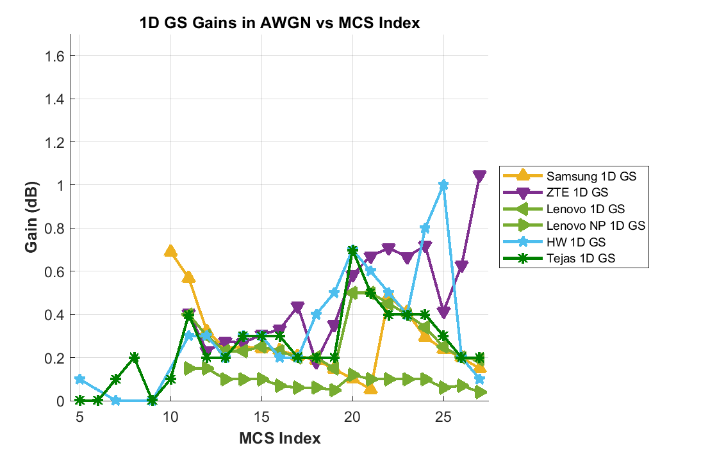

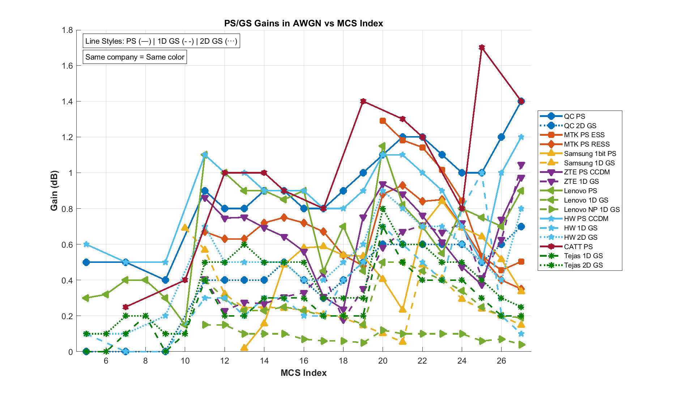

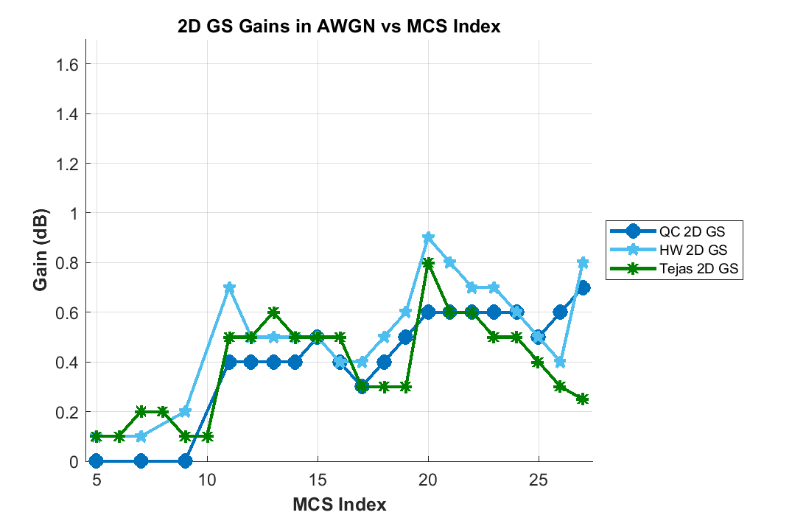

GS/PS Gains
 | QC PS | QC 2D GS | MTK PS ESS | MTK PS RESS | Samsung 1D GS | Samsung 1bit PS | ZTE 1D GS | ZTE 2D GS | ZTE PS CCDM | Lenovo 1D GS | Lenovo NP 1D GS | Lenovo PS
 | 0.5 | 0 |  |  |  |  |  | 0.1872 |  |  |  | 0
 |  |  |  |  |  |  |  | 0.2457 |  |  |  | 0
 | 0.5 | 0 |  |  |  |  |  | 0.2210 |  |  |  | 0
 |  |  |  |  |  |  |  | 0.2067 |  |  |  | 0
 | 0.4 | 0 |  |  |  |  |  | 0.1671 |  |  |  | 0
 |  |  |  |  | 0.691 |  |  | 0.1920 |  |  |  | 0
 | 0.9 | 0.4 |  | 0.67 | 0.568661 |  | 0.4063 | 0.6520 | 0.8604 | 0 | 0 | 0
 | 0.8 | 0.4 |  | 0.63 | 0.321405 |  | 0.2292 | 0.5873 | 0.7462 | 0 | 0 | 0
 | 0.8 | 0.4 |  | 0.63 | 0.244752 | 0.019378 | 0.2750 | 0.5639 | 0.7511 | 0 | 0 | 0
 | 0.9 | 0.4 |  | 0.72 | 0.250221 | 0.156444 | 0.2681 | 0.5285 | 0.6932 | 0 | 0 | 0
 | 0.9 | 0.5 |  | 0.75 | 0.242512 | 0.485203 | 0.3062 | 0.5303 | 0.6431 | 0 | 0 | 0
 | 0.8 | 0.4 |  | 0.72 | 0.233506 | 0.580259 | 0.3299 | 0.4768 | 0.5606 | 0 | 0 | 0
 | 0.8 | 0.3 |  | 0.67 | 0.207615 | 0.58728 | 0.4382 | 0.3758 | 0.3071 | 0 | 0 | 0
 | 0.9 | 0.4 |  | 0.54 | 0.188989 | 0.539688 | 0.1782 | 0.3258 | 0.2373 | 0 | 0 | 0
 | 1 | 0.5 |  | 0.48 | 0.145821 | 0.533094 | 0.3514 | 0.2992 | 0.7522 | 0 | 0 | 0
 | 1.1 | 0.6 | 1.290568 | 0.88 | 0.10151 | 0.40547 | 0.5828 | 0.8293 | 0.9363 | 0 | 0 | 0
 | 1.2 | 0.6 | 1.182177 | 0.93 | 0.053172 | 0.233056 | 0.6705 | 0.7811 | 0.8799 | 0 | 0 | 0
 | 1.2 | 0.6 | 1.141932 | 0.84 | 0.484547 | 0.701799 | 0.7073 | 0.6607 | 0.7611 | 0 | 0 | 0
 | 1.1 | 0.6 | 1.015645 | 0.85 | 0.409575 | 0.840397 | 0.6669 | 0.6256 | 0.6129 | 0 | 0 | 0
 | 1 | 0.6 | 0.843602 | 0.7 | 0.294026 | 0.692761 | 0.7188 | 0.5797 | 0.4737 | 0 | 0 | 0
 | 1 | 0.5 | 0.533927 | 0.53 | 0.23918 | 0.642247 | 0.4130 | 0.5413 | 0.3736 | 0 | 0 | 0
 | 1.2 | 0.6 | 0.454993 | 0.4 | 0.200042 | 0.51592 | 0.6275 | 0.4822 | 0.7388 | 0 | 0 | 0
 | 1.4 | 0.7 | 0.504004 | 0.35 | 0.148452 | 0.336726 | 1.0458 | 0.3847 | 0.9739 | 0 | 0 | 0

